Utility_Calculator
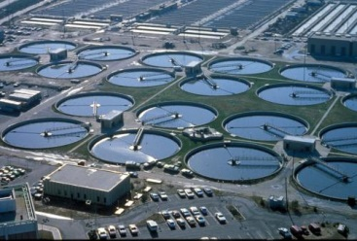 Utility pumping electricity CO2 emissions
Delivery head (m) | 5
Delivery rate (cusecs or m3/s) | 0.1

Annual electricity consumption (kWh/y) | 107,493
Annual electricity cost ($/y) | $23,648
Annual electricity CO2 emission (kg/y) | 50,522

Mine_Calculator
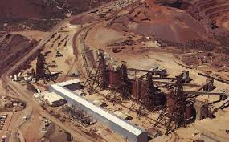 Mine pumping diesel CO2 emissions
Delivery head (m) | 100
Delivery rate (cusecs or m3/s) | 0.6

Annual diesel fuel consumption (l/y) | #N/A
Annual diesel cost ($/y) | #N/A
Annual diesel CO2 emission (kg/y) | #N/A

Crop_Calculator
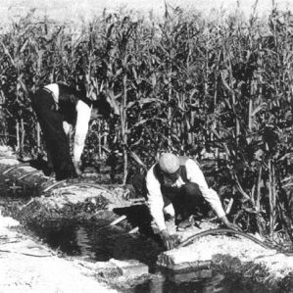 Crop watering - Diesel CO2 emissions
 |  | Crop plant | Banana
 |  | Crop area (ha) | 10
 |  | Pump head | Lowland 25 (m)

 | Crop status
 | Initial | Vegetative | Mature
Annual diesel CO2 emission (kg/y) | 10,830 | 4,332 | 8,664
Annual diesel cost ($/y) | $2,603 | $1,041 | $2,083

